Sheet1
State | New York

New York
Row Labels | Sum of Sales
Apr-10 | 118.97
Apr-12 | 3315.8245
Aug-09 | 623.36
Aug-10 | 540.96
Aug-11 | 13363.4005
Aug-12 | 161.51
Dec-10 | 26252.05
Dec-11 | 61.8715
Feb-10 | 364.7
Feb-12 | 5126.014
Jan-09 | 1798.5
Jan-11 | 911.86
Jan-12 | 257.19
Jul-11 | 8579.5995
Jul-12 | 385.8 | Column Labels
Jun-10 | 1187.94 | New York
Jun-11 | 998.62 | New York
Jun-12 | 2503.53
Mar-09 | 9620.82
Mar-10 | 976.794
Mar-11 | 3478.64
May-11 | 1921.65
May-12 | 3766.3
Nov-09 | 248.26
Nov-10 | 821.51
Nov-11 | 8355.5325
Oct-09 | 7288.7
Oct-10 | 261.54
Oct-11 | 708.107
Oct-12 | 10688.25
Sep-10 | 1168.04
Sep-11 | 520.64
Grand Total | 116376.4835

Line Charts
Order Month-Year | Order Quantity | Sales | Type 1 | Line Charts
Jan-09
Feb-09
Mar-09
Apr-09 |  |  |  | Line charts are good for showing trends over time for single or multiple quantities on a single chart.
May-09 |  |  |  | Let's create a line chart for trends of Sales and Order Quantity over 'Order Month-Year'.
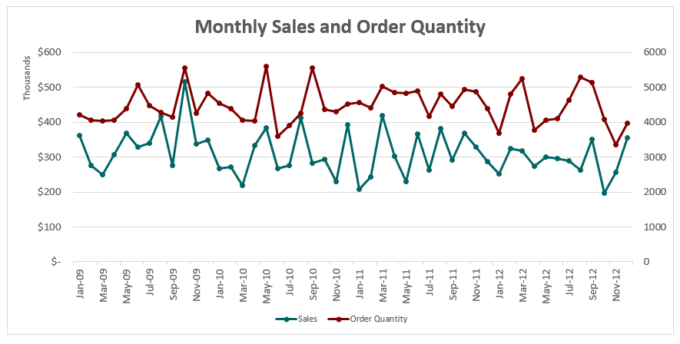
Jun-09
Jul-09
Aug-09
Sep-09
Oct-09
Nov-09
Dec-09
Jan-10
Feb-10
Mar-10
Apr-10
May-10
Jun-10
Jul-10
Aug-10
Sep-10
Oct-10
Nov-10
Dec-10
Jan-11
Feb-11
Mar-11
Apr-11
May-11
Jun-11
Jul-11
Aug-11
Sep-11
Oct-11
Nov-11
Dec-11
Jan-12
Feb-12
Mar-12
Apr-12
May-12
Jun-12
Jul-12
Aug-12
Sep-12
Oct-12
Nov-12
Dec-12

Pie Charts
 |  | Type 2 | Pie Charts

 |  |  | Pie charts are used to showcase contribution(s) of a single quantity between different segments
Ship Mode | Sales |  | For example, Sales by Ship Mode is a view that could be represented using a Pie Chart.
Delivery Truck |  |  | Pie charts are rarely used in delivery accounts in Mu Sigma. Tread with caution!
Express Air
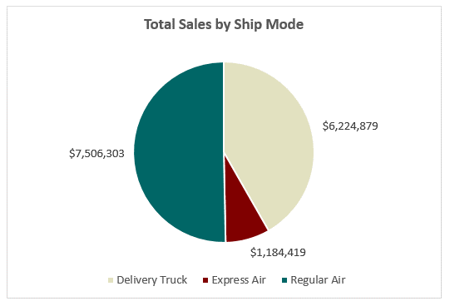
Regular Air

100% Stacked Bar Charts
 |  |  |  |  | Type 3 | 100% Stacked Bar Charts

Order Month-Year | Consumer | Corporate | Home Office | Small Business |  | Stacked Bar Charts are used to depict the trend over time of a single quantity, distributed across groups.
Jan-09 |  |  |  |  |  | Stacked Bar Charts could be used to represent absolute values, or % contributions as in 100% Stacked Bar Charts.
Feb-09 |  |  |  |  |  | Let's create a 100% Stacked Bar chart for Monthly Sales contribution (%) of various Customer Segments
Mar-09
Apr-09
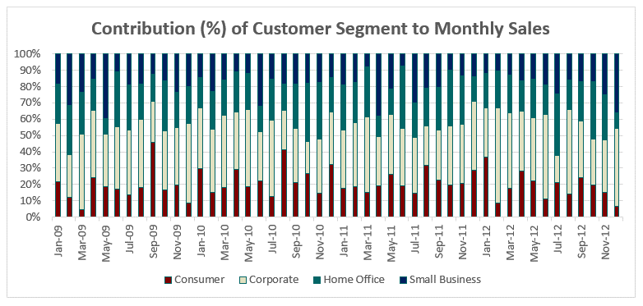
May-09
Jun-09
Jul-09
Aug-09
Sep-09
Oct-09
Nov-09
Dec-09
Jan-10
Feb-10
Mar-10
Apr-10
May-10
Jun-10
Jul-10
Aug-10
Sep-10
Oct-10
Nov-10
Dec-10
Jan-11
Feb-11
Mar-11
Apr-11
May-11
Jun-11
Jul-11
Aug-11
Sep-11
Oct-11
Nov-11
Dec-11
Jan-12
Feb-12
Mar-12
Apr-12
May-12
Jun-12
Jul-12
Aug-12
Sep-12
Oct-12
Nov-12
Dec-12

Combo Charts
 |  |  | Type 4 | Combination Charts

Order Month-Year | Sales | Profit |  | Combination charts are a useful mix of various chart types (bar, line etc.) on a single chart.
Jan-12 |  |  |  | Clean and easy to visualize, they are very good for representing multiple quantities.
Feb-12 |  |  |  | By using secondary axes, quantities varying significantly in amounts can be represented together clearly.
Mar-12 |  |  |  | Let's create a combo chart for Monthly Sales and Profit, using the primary and secondary axes!
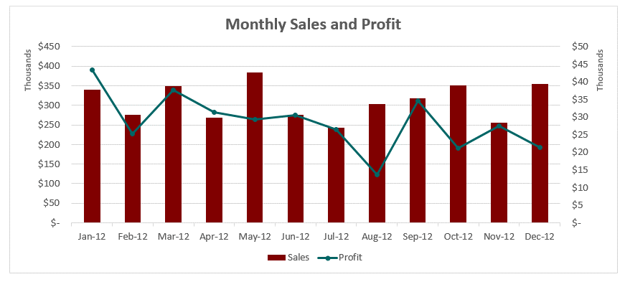
Apr-12
May-12
Jun-12
Jul-12
Aug-12
Sep-12
Oct-12
Nov-12
Dec-12

